Cover
 GOVERNMENT OF THE REPUBLIC OF TRINIDAD AND TOBAGO MINISTRY OF ENERGY AND ENERGY INDUSTRIES

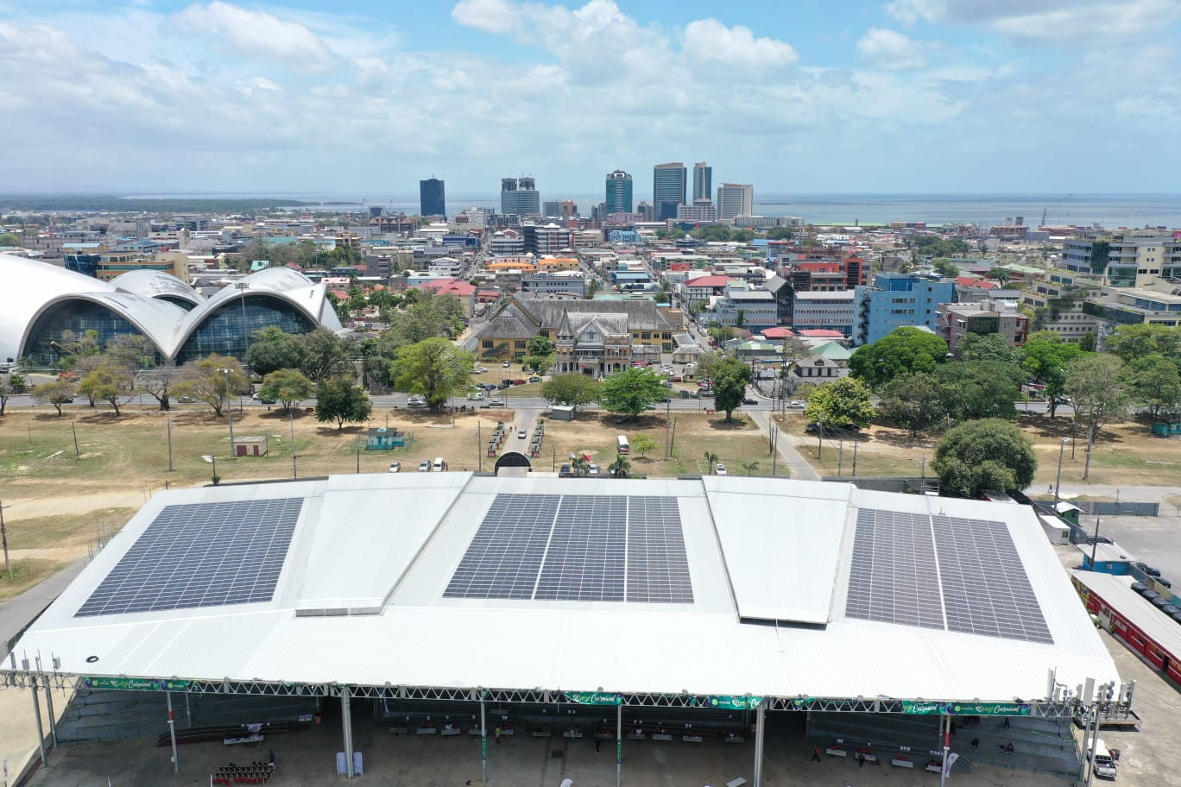
C O N S O L I D A T E D M O N T H L Y B U L L E T I N S
Aug-25

